Feuil1
GP110
 |  | 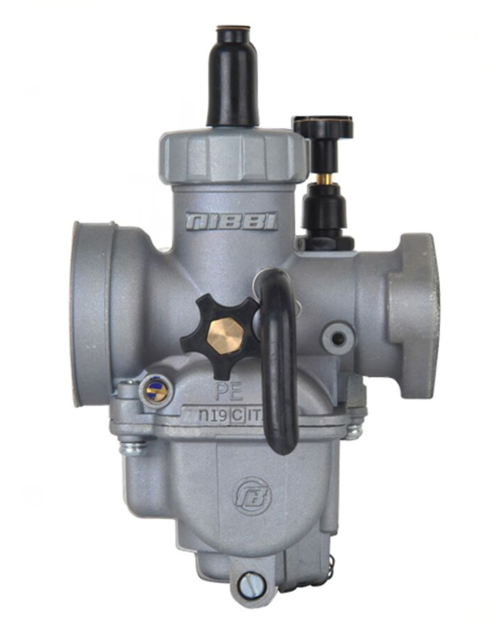 | MODEL | MAIN JET# LK-PE-size | SLOW JET LK-FLK-size | NEEDLE | CLIP POS Please check Note clip #1 is from top | AIR SCREW | AIR FILTER | EXHAUST | COUNTRY
 | Zongshen | PE24 | MINI GP 110 | 100 | 40 | JL31 | # 3 | 1 | ø45 | ANTIBRUIT GP
GP157/187
 | NIBBI Carburetor PE28 (Sport version) | 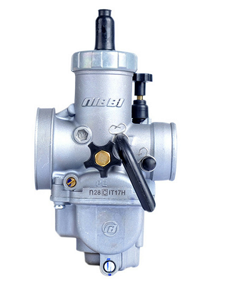 | MODEL | MAIN JET# LK-PE-size | SLOW JET LK-FLK-size | NEEDLE | CLIP POS | AIR SCREW | AIR FILTER | EXHAUST | COUNTRY
 | Zongshen | PE28 | MINI GP 157 | 110 | 40 | JL31 | # 3 | 1 | ø49 | ANTIBRUIT GP | FRANCE
 | DAYTONA | PE28 | GP 187 | 118 | 42 | J62G | # 3 | 1 | ø49 | ANTIBRUIT GP | FRANCE
START 88SE/125SE/125
 |  |  | MODEL | MAIN JET# LK-PE-size | SLOW JET LK-FLK-size | NEEDLE | CLIP POS Please check Note clip #1 is from top | AIR SCREW | AIR FILTER | EXHAUST | COUNTRY
 |  | PZE18 | 88SE | 80 | 35 GROS TROUS | PD18J | 3 | 1 | ø35 | avec bride / with spark arrestor | France
 |  | PE19 | 125 START SE | 95 | 32 | E26A | 3 | 1 | ø45 | avec bride / with spark arrestor | France
 |  | PE19 | 125 START | 95 | 32 | E26A | 3 | 1 | ø45 | avec bride / with spark arrestor | France
LITE88/125
 |  |  | MODEL | MAIN JET# LK-PE-size | SLOW JET LK-FLK-size | NEEDLE | CLIP POS Please check Note clip #1 is from top | AIR SCREW | AIR FILTER | EXHAUST | COUNTRY
 |  | PZE18 | 88 LITE | 80 | 35GROS TROU | PD18J | 3 | 1 | ø35 | avec bride / with spark arrestor | FRANCE
 |  | PE19 | 125 LITE | 90 | 32 | E26A | 3 | 1 | ø45 | avec bride / with spark arrestor | FRANCE
LITE 110 R /110R SE
 |  |  | MODEL | MAIN JET# LK-PE-size | SLOW JET LK-FLK-size | NEEDLE | CLIP POS Please check Note clip #1 is from top | AIR SCREW | AIR FILTER | EXHAUST | COUNTRY
 |  | PE24 | LITE R 110 SE | 90 | 32 | JL31 | 3 | 1 | ø45 | avec bride / with spark arrestor | FRANCE
 |  | PE24 | 110 FIDDY | 102 | 40 | JL31 | 3 | 1 | ø45 | avec bride / with spark arrestor | FRANCE
PILOT 125/150
 |  |  | MODEL | MAIN JET# LK-PE-size | SLOW JET LK-FLK-size | NEEDLE | CLIP POS Please check Note clip #1 is from top | AIR SCREW | AIR FILTER | EXHAUST | COUNTRY
 |  | PE24 | PILOT 125 FIDDY | 98 | 40 | JL31 | 3 | 1 | BOX | avec bride / with spark arrestor | FRANCE
 |  | PE24 | PILOT 150 CRF DEMARREUR | 98 | 38 | JL31 | 3 | 1 | BOX | avec bride / with spark arrestor | FRANCE
FACTORY SP2/SP3
 |  |  | MODEL | MAIN JET# LK-PE-size | SLOW JET LK-FLK-size | NEEDLE | CLIP POS Please check Note clip #1 is from top | AIR SCREW | AIR FILTER | EXHAUST | COUNTRY
 |  | PE24 | 150 KLX | 105 | 40 | JL31 | 3 | 1 | BOX | avec bride SP / with SP spark arrestor | FRANCE
 |  | PE28 | 190 ANIMA | 115 | 42 | J62G | 3 | 2 | BOX | avec bride SP/ with SP spark arrestor | FRANCE
BIGY 125SE/125/150/190
 |  |  | MODEL | MAIN JET# LK-PE-size | SLOW JET LK-FLK-size | NEEDLE | CLIP POS Please check Note clip #1 is from top | AIR SCREW | AIR FILTER | EXHAUST | COUNTRY
 |  | PE19 | BIGY 125SE | 90 | 32 | E26A | 3 | 1 | BOX | avec bride / with spark arrestor | FRANCE
 |  | PE24 | BIGY 125 FIDDY | 98 | 40 | JL31 | 3 | 1 | BOX | avec bride / with spark arrestor | FRANCE
 |  | PE24 | 150 MX | 98 | 40 | JL31 | 3 | 1 | BOX | avec bride / with spark arrestor | FRANCE
 |  | PE24 | 150KLX DEMARREUR | 105 | 40 | JL31 | 3 | 1.5 | BOX | avec bride SP / with spark arrestor | FRANCE
 |  | PE28 | 190 | 115 | 42 | J62G | 3 | 2 | BOX | avec bride SP / with spark arrestor | FRANCE
SM 110 AUTO/125/155/190
 |  |  | MODEL | MAIN JET# LK-PE-size | SLOW JET LK-FLK-size | NEEDLE | CLIP POS Please check Note clip #1 is from top | AIR SCREW | AIR FILTER Ф | EXHAUST | COUNTRY
 |  | PE19 | 110 | 92 | 32 | E26A | 2 | 1.5 | ø45 | avec bride / with spark arrestor | FRANCE
 |  | PE24 | 125 FIDDY | 102 | 40 | JL31 | 3 | 1 | ø45 | avec bride SP / with spark arrestor | FRANCE
 |  | PE28 | 155 ZONGSHEN | 110 | 40 | J62G | 3 | 1 | ø49 | avec bride SP / with spark arrestor | FRANCE
 |  | PE28 | 190 ANIMA | 115 | 42 | J62G | 3 | 1 | ø49 | avec bride SP / with spark arrestor | FRANCE
SUNDAY 125/147/187
 |  |  | MODEL | MAIN JET# LK-PE-size | SLOW JET LK-FLK-size | NEEDLE | CLIP POS Please check Note clip #1 is from top | AIR SCREW | AIR FILTER Ф45 | EXHAUST | COUNTRY
 |  | PE19 | 125 | 95 | 32 | E26A | 3 | 1 | ø45 | ANTIBRUIT SUNDAY | FRANCE
 |  | PE24 | 147 | 98 | 40 | JL31 | 3 | 1 | ø49 SUNDAY | ANTIBRUIT SUNDAY | FRANCE
 |  | PE28 | 187 | 115 | 42 | J62G | 3 | 2 | ø49 SUNDAY | ANTIBRUIT SUNDAY | FRANCE
50A
 |  |  | MODEL | MAIN JET# LK-PE-size | SLOW JET LK-FLK-size | NEEDLE | CLIP POS Please check Note clip #1 is from top | AIR SCREW | AIR FILTER | EXHAUST | COUNTRY
 |  | MY23 | 50A | 50 | 30 |  | 2 | 1 | BOX 50 | avec bride / with spark arrestor | FRANCE

